Instructions
Step 1 | Download the latest version of SolverStudio from www.solverstudio.org and install it.
Click here on www.solverstudio.org to download SolverStudio

Step 2 | Copy and paste your student data into the appropriate place in the "StudentDataEntry" sheet.
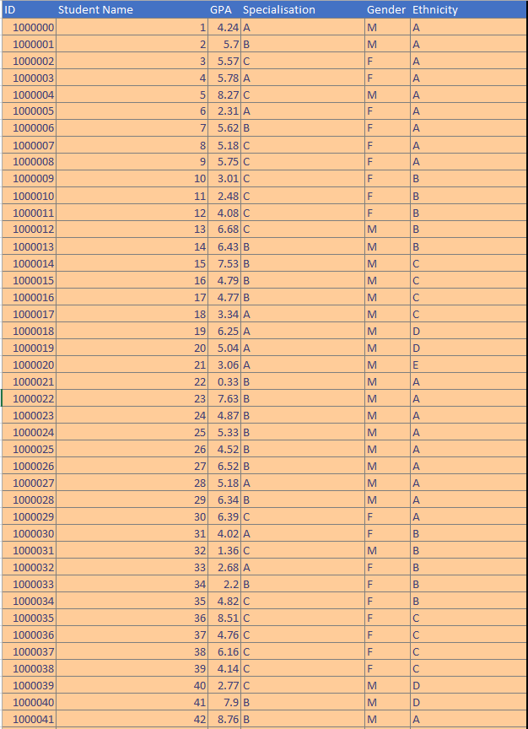

Step 3 | Under "Options" enter the number of groups you wish to make and the time limit in seconds for running the optimisation (default is 60 seconds)

Step 4 | Check that all the data checks have passed. All checks should say "Yes". If you see a "No"' then you may need to check your data for missing entries, invalid entries etc.
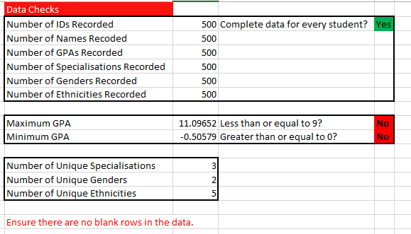

Step 5 | Click "Solve Model" under the "Data" tab in the ribbon at the top of the window. The optimisation will begun to run and may take some time. You will receive a message indicating that the optimisation is running, and a terminal window may appear showing output of the model. Excel may slow down during this process. This is normal. Note: You must be on the "StudentDataEntry" sheet in order to click "Solve Model" and have the optimisation run.

Step 6 | When the optimisation has finished running you will automatically be taken to the SummaryResults sheet containing tables of results. You will also find sheets start with "g_". These are charts that you can look at to easily see the quality of the solution provided by the optimisation. In addition, a PDF will have been printed and placed in the same directory as this file. This PDF will contain a list of all the groups and the students in each so that you can easily share the allocations with others.

SummaryResults
Whole Class Data |  | Group Data | Students | Males | Females | Mean GPA | GPA Variance | A | B | C | A | B | C | D | E
Number of Students | 500 | 1 | 25 | 17 | 8 | 4.96 | 4.49 | 6 | 11 | 8 | 11 | 6 | 4 | 3 | 1
Females | 162 | 2 | 25 | 17 | 8 | 4.92 | 4.42 | 7 | 11 | 7 | 11 | 6 | 4 | 3 | 1
Males | 338 | 3 | 25 | 17 | 8 | 4.86 | 3.93 | 6 | 12 | 7 | 10 | 6 | 4 | 4 | 1
Mean GPA | 4.97 | 4 | 25 | 17 | 8 | 4.97 | 3.98 | 6 | 11 | 8 | 10 | 6 | 5 | 3 | 1
GPA Variance |  | 5 | 25 | 17 | 8 | 4.99 | 4.30 | 6 | 12 | 7 | 10 | 6 | 6 | 2 | 1
Specialisations |  | 6 | 25 | 17 | 8 | 5.01 | 3.67 | 6 | 12 | 7 | 12 | 6 | 4 | 2 | 1
A | 122 | 7 | 25 | 16 | 9 | 5.00 | 3.99 | 6 | 12 | 7 | 11 | 6 | 5 | 2 | 1
B | 234 | 8 | 25 | 17 | 8 | 4.95 | 3.71 | 6 | 12 | 7 | 11 | 6 | 5 | 2 | 1
C | 144 | 9 | 25 | 17 | 8 | 4.98 | 3.72 | 6 | 12 | 7 | 10 | 6 | 6 | 2 | 1
Ethnicities |  | 10 | 25 | 17 | 8 | 4.88 | 3.69 | 6 | 12 | 7 | 11 | 6 | 5 | 2 | 1
A | 216 | 11 | 25 | 17 | 8 | 5.09 | 3.51 | 6 | 12 | 7 | 12 | 6 | 4 | 2 | 1
B | 120 | 12 | 25 | 17 | 8 | 5.05 | 4.25 | 6 | 12 | 7 | 10 | 6 | 6 | 2 | 1
C | 96 | 13 | 25 | 17 | 8 | 4.90 | 4.22 | 6 | 12 | 7 | 10 | 6 | 5 | 3 | 1
D | 48 | 14 | 25 | 17 | 8 | 5.06 | 3.91 | 6 | 11 | 8 | 12 | 6 | 4 | 2 | 1
E | 20 | 15 | 25 | 17 | 8 | 5.03 | 3.93 | 6 | 12 | 7 | 12 | 6 | 4 | 2 | 1
 |  | 16 | 25 | 17 | 8 | 5.01 | 4.12 | 6 | 11 | 8 | 10 | 6 | 4 | 4 | 1
 |  | 17 | 25 | 16 | 9 | 4.85 | 4.05 | 6 | 12 | 7 | 10 | 6 | 6 | 2 | 1
 |  | 18 | 25 | 17 | 8 | 4.90 | 3.97 | 6 | 12 | 7 | 10 | 6 | 6 | 2 | 1
 |  | 19 | 25 | 17 | 8 | 4.98 | 3.93 | 6 | 12 | 7 | 11 | 6 | 5 | 2 | 1
 |  | 20 | 25 | 17 | 8 | 5.05 | 4.33 | 7 | 11 | 7 | 12 | 6 | 4 | 2 | 1

